DEEPER OBJECTIVES WEEK_7
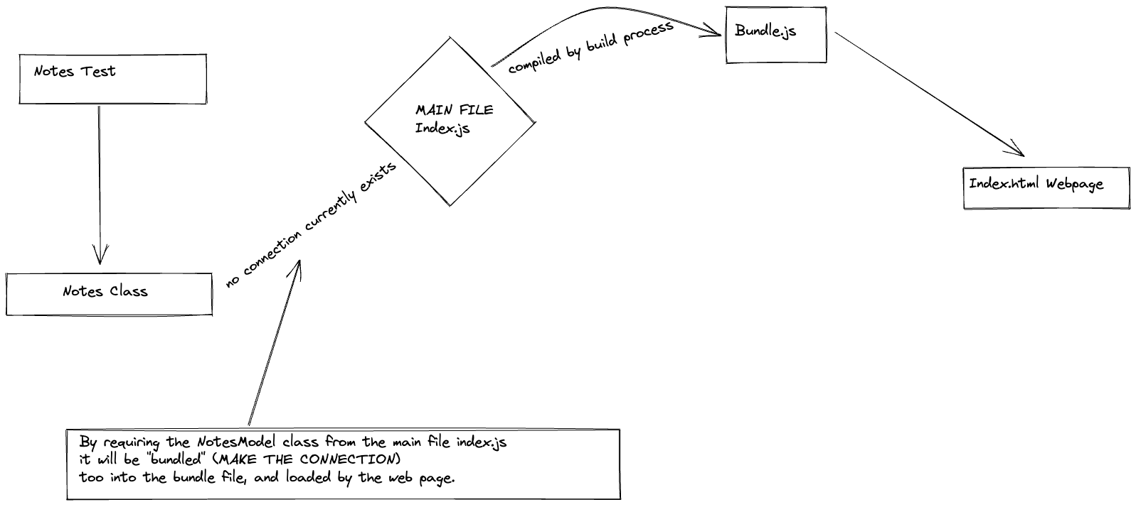
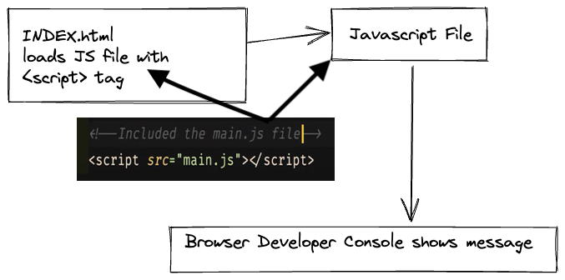
JAVASCRIPT WEB
Explain what is the DOM.
Use JavaScript to dynamically change the page content.
Use JavaScript to dynamically add a new element on the page.
Test-drive a JavaScript "Model" class to hold the program's state.
Setup a JavaScript frontend web project.
Use esbuild to bundle JavaScript files.
Load a JavaScript file in the browser.
Use the browser JS console.
Use console.log to print in the console.

